Control Summary
 | 2021-04-29

Client ID | Test Conc (µM) | Assay Duration (hr) | Mean A → B Papp 10-6 cm/s | Mean B → A Papp 10-6 cm/s | Efflux Ratio | Comments |  | Client ID | Test Concentration (µM) | Direction | Parameter | First | Second | Third | Mean
Ranitidine | 10.0 | 2.00 | 1.18 | 1.14 | 0.969 | Low Permeability Control |  | Ranitidine | 10.0 | A → B | Papp | 1.15 | 1.20 |  | 1.18
Talinolol | 10.0 | 2.00 | 0.220 | 4.25 | 23.3 | P-gp Efflux Control |  |  |  | A → B | Recovery | 87.8% | 85.7% |  | 86.7%
Warfarin | 10.0 | 2.00 | 34.8 | 19.2 | 0.555 | High Permeability Control |  |  |  | B → A | Papp | 1.10 | 1.18 |  | 1.14
Low recovery may be due to poor aqueous solubility, poor stability, and/or non-specific binding (high lipophilicity) of the Compound. Permeability rates for compounds with low/poor post assay recovery may be underestimated. |  |  |  |  |  |  |  |  |  | B → A | Recovery | 95.7% | 95.4% |  | 95.5%
 |  |  |  |  |  |  |  |  |  | (B → A)/(A → B) | Efflux Ratio | 0.955 | 0.983 |  | 0.969
 |  |  |  |  |  |  |  | Talinolol | 10.0 | A → B | Papp | 0.119 | 0.322 |  | 0.220
Permeability
 |  |  |  |  |  |  |  |  |  | A → B | Recovery | 70.3% | 64.5% |  | 67.4%
 |  |  |  |  |  |  |  |  |  | B → A | Papp | 3.82 | 4.68 |  | 4.25
 |  |  |  |  |  |  |  |  |  | B → A | Recovery | 78.2% | 86.0% |  | 82.1%
 |  |  |  |  |  |  |  |  |  | (B → A)/(A → B) | Efflux Ratio | 32.0 | 14.6 |  | 23.3
 |  |  |  |  |  |  |  | Warfarin | 10.0 | A → B | Papp | 36.4 | 33.3 |  | 34.8
 |  |  |  |  |  |  |  |  |  | A → B | Recovery | 87.8% | 95.9% |  | 91.9%
 |  |  |  |  |  |  |  |  |  | B → A | Papp | 17.6 | 20.8 |  | 19.2
 |  |  |  |  |  |  |  |  |  | B → A | Recovery | 88.3% | 80.6% |  | 84.5%
 |  |  |  |  |  |  |  |  |  | (B → A)/(A → B) | Efflux Ratio | 0.485 | 0.625 |  | 0.555

Compounds | A → B | Stdev | B → A | Stdev | Ratio | Stdev | Comments
Ranitidine | 1.18 | 0.0352 | 1.14 | 0.0575 | 0.969 | 0.0567
Talinolol | 0.220 | 0.143 | 4.25 | 0.609 | 19.3 | 12.8
Warfarin | 34.8 | 2.16 | 19.2 | 2.25 | 0.552 | 0.0731

Data
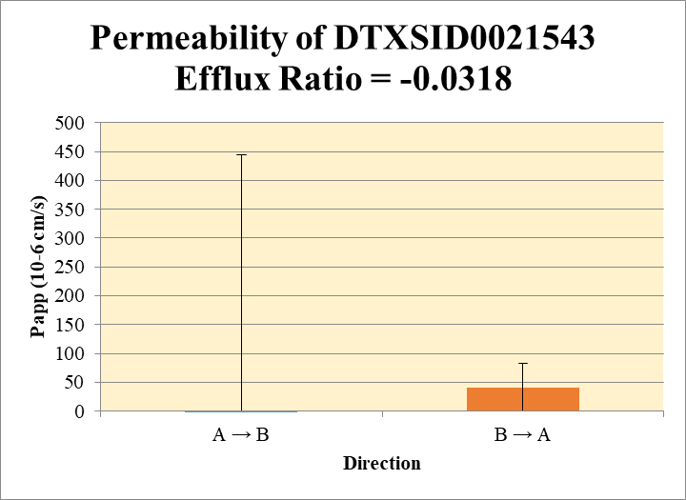
SampleName | CompoundName | Transition | Area | ISTD Area | ISTDResponseRatio | A → B | Volume | RR1 | RR2 | RR3 | RR Mean | RR SD
Blank_1_A_B__1_03 | DTXSID0021543 | 91 | 16789.482731 | 724003.1502 | 0.023189792373 | Donor | 0.0750 | 0.027 | -0.0109 |  | 0.008 | 0.0267 | A → B | -1906 | 2350
Blank_2_A_B__2_04 | DTXSID0021543 | 91 | 23494.46739 | 767393.25747 | 0.030615941906 | Receiver | 0.250 | 0.002 | -0.0723 |  | -0.0352 | 0.0525 | B → A | 40.9 | 42.7
Blank_1_B_A__3_05 | DTXSID0021543 | 91 | 21813.50953 | 382677.23775 | 0.057002370086 | Dosing | 0.0750 | -0.002 | 0.006 |  | 0.002 | 0.00624
Blank_2_B_A__4_06 | DTXSID0021543 | 91 | 13384.43263 | 327471.84305 | 0.040872010567 | Standard
DTXSID0021543_A_B_rec_1_17 | DTXSID0021543 | 91 | 11979.847769 | 437679.80144 | 0.02737126029 | Blank |  | 0.0232 | 0.0306 |  | 0.0269 | 0.00525
DTXSID0021543_A_B_rec_2_18 | DTXSID0021543 | 91 | 3890.7759828 | 440856.63534 | 0.0088254903542 | dq/dt |  | 6.51E-08 | -2.51E-06 |  | -1.22E-06 | 1.82E-06
DTXSID0021543_A_B_dos_1_129 | DTXSID0021543 | 91 | 12951.899229 | 492512.45195 | 0.02629760766 | Co |  | -0.002 | 0.006 |  | 0.00199 | 0.00624
DTXSID0021543_A_B_dos_2_130 | DTXSID0021543 | 91 | 14210.690898 | 498579.20992 | 0.028502373575 | Recovery |  | -1366% | -3938% |  | -2652% | 1819%
DTXSID0021543_A_B_don_1_73 | DTXSID0021543 | 91 | 16419.807637 | 488583.38537 | 0.033606970946 | Papp |  | -244 | -3567.5 |  | -1906 | 2350
DTXSID0021543_A_B_don_2_74 | DTXSID0021543 | 91 | 12353.199919 | 511134.20418 | 0.024168212218
DTXSID0021543_B_A_rec_1_45 | DTXSID0021543 | 91 | 24000.210175 | 528382.27265 | 0.045422057888 | B → A
DTXSID0021543_B_A_rec_2_46 | DTXSID0021543 | 91 | 20616.691792 | 542179.23915 | 0.038025601689 | Donor | 0.250 | -0.093 | -0.1613 |  | -0.1272 | 0.0483
DTXSID0021543_B_A_dos_1_157 | DTXSID0021543 | 91 | 5121.6770792 | 287502.01011 | 0.017814404418 | Receiver | 0.0750 | -0.014 | -0.044 |  | -0.029 | 0.0209
DTXSID0021543_B_A_dos_2_158 | DTXSID0021543 | 91 | 16556.787232 | 481443.62276 | 0.034389877545 | Dosing | 0.250 | -0.1245 | -0.058 |  | -0.091 | 0.0469
DTXSID0021543_B_A_don_1_101 | DTXSID0021543 | 91 | 10273.79105 | 400255.96355 | 0.02566805241 | Standard
DTXSID0021543_B_A_don_2_102 | DTXSID0021543 | 91 | 4409.4604076 | 512655.67009 | 0.0086012125971 | Blank |  | 0.0570 | 0.0409 |  | 0.0489 | 0.0114
 |  |  |  | Dilution | 4.00 | dq/dt |  | -1.46E-07 | -4.55E-07 |  | -3.01E-07 | 2.18E-07 | Test Article | Test Conc (µM) | Parameter | Papp (10-6 cm/s) Rep-1 | Papp (10-6 cm/s) Rep-2 | Papp (10-6 cm/s) Rep-3 | Recovery
 |  |  |  | Chamber Surface Area | 0.110 | Co |  | -0.1245 | -0.058 |  | -0.0913 | 0.0469 |  |  | A → B | -244 | -3567.5 |  | -2652%
 |  |  |  | Sampling Period (hrs) | 2.00 | Recovery |  | 78% | 299.8% |  | 189% | 157% | DTXSID0021543 | 10.0 | B → A | 11 | 71 |  | 189%
 |  |  |  | Test Concentration (µM) | 10.0 | Papp |  | 11 | 71 |  | 40.9 | 42.7 |  |  | Efflux Ratio | -0.044 | -0.0199
 |  |  |  |  |  | Efflux Ratio |  | -0.044 | -0.0199 |  | -0.0318 | 0.0169

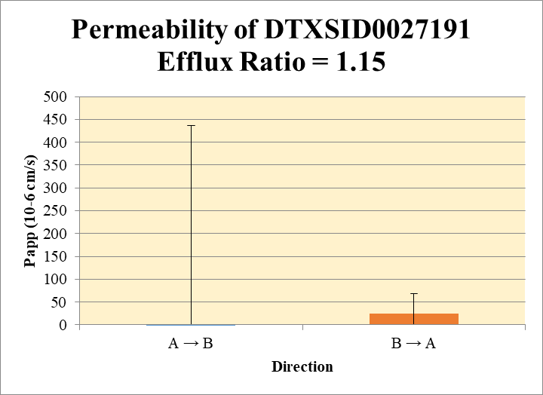
 |  |  |  |  |  | A → B
Blank_1_A_B__1_03 | DTXSID0027191 | 66 | 113419.48404 | 724003.1502 | 0.15665606429 | Donor | 0.0750 | 0.106 | -0.085 |  | 0.010 | 0.136 | A → B | -972 | 1410
Blank_2_A_B__2_04 | DTXSID0027191 | 66 | 87801.736329 | 767393.25747 | 0.11441556917 | Receiver | 0.250 | 0.244 | 0.307 |  | 0.275 | 0.0440 | B → A | 25.5 | 43.1
Blank_1_B_A__3_05 | DTXSID0027191 | 66 | 85279.9571 | 382677.23775 | 0.22285087454 | Dosing | 0.0750 | -0.039 | 3.97 |  | 1.96 | 2.83
Blank_2_B_A__4_06 | DTXSID0027191 | 66 | 98469.662989 | 327471.84305 | 0.3006965792 | Standard
DTXSID0027191_A_B_rec_1_19 | DTXSID0027191 | 66 | 87574.238927 | 445368.96665 | 0.19663300653 | Blank |  | 0.157 | 0.114 |  | 0.136 | 0.0299
DTXSID0027191_A_B_rec_2_20 | DTXSID0027191 | 66 | 107879.93569 | 508438.51277 | 0.21217892228 | dq/dt |  | 8.49E-06 | 1.06E-05 |  | 9.57E-06 | 1.53E-06
DTXSID0027191_A_B_dos_1_131 | DTXSID0027191 | 66 | 61497.260202 | 489074.30064 | 0.12574216253 | Co |  | -0.039 | 3.97 |  | 1.96 | 2.83
DTXSID0027191_A_B_dos_2_132 | DTXSID0027191 | 66 | 550384.07952 | 488405.12086 | 1.1269007142 | Recovery |  | -2351% | 23.6% |  | -1164% | 1679%
DTXSID0027191_A_B_don_1_75 | DTXSID0027191 | 66 | 78900.98911 | 486608.93944 | 0.16214455328 | Papp |  | -1969 | 24.4 |  | -972 | 1410
DTXSID0027191_A_B_don_2_76 | DTXSID0027191 | 66 | 56921.194632 | 498591.49655 | 0.11416399001
DTXSID0027191_B_A_rec_1_47 | DTXSID0027191 | 66 | 110674.50289 | 535561.02937 | 0.20665152395 | B → A
DTXSID0027191_B_A_rec_2_48 | DTXSID0027191 | 66 | 82592.639841 | 528599.99226 | 0.1562479021 | Donor | 0.250 | -0.596 | -0.496 |  | -0.546 | 0.0711
DTXSID0027191_B_A_dos_1_159 | DTXSID0027191 | 66 | 402877.11243 | 308390.2475 | 1.3063873313 | Receiver | 0.0750 | -0.220 | -0.422 |  | -0.321 | 0.143
DTXSID0027191_B_A_dos_2_160 | DTXSID0027191 | 66 | 36416.009832 | 437076.16844 | 0.083317308198 | Dosing | 0.250 | 4.18 | -0.714 |  | 1.73 | 3.46
DTXSID0027191_B_A_don_1_103 | DTXSID0027191 | 66 | 56390.160045 | 500488.9599 | 0.11267013773 | Standard
DTXSID0027191_B_A_don_2_104 | DTXSID0027191 | 66 | 68444.456895 | 496605.50176 | 0.13782460455 | Blank |  | 0.223 | 0.301 |  | 0.262 | 0.0550
 |  |  |  | Dilution | 4.00 | dq/dt |  | -2.30E-06 | -4.40E-06 |  | -3.35E-06 | 1.49E-06 | Test Article | Test Conc (µM) | Parameter | Papp (10-6 cm/s) Rep-1 | Papp (10-6 cm/s) Rep-2 | Papp (10-6 cm/s) Rep-3 | Recovery
 |  |  |  | Chamber Surface Area | 0.110 | Co |  | 4.18 | -0.714 |  | 1.73 | 3.46 |  |  | A → B | -1969 | 24.4 |  | -1164%
 |  |  |  | Sampling Period (hrs) | 2.00 | Recovery |  | -15.9% | 87% |  | 35.7% | 72.9% | DTXSID0027191 | 10.0 | B → A | -5.0 | 56 |  | 35.7%
 |  |  |  | Test Concentration (µM) | 10.0 | Papp |  | -5.0 | 56 |  | 25.5 | 43.1 |  |  | Efflux Ratio | 0.00254 | 2.29
 |  |  |  |  |  | Efflux Ratio |  | 0.00254 | 2.29 |  | 1.15 | 1.62

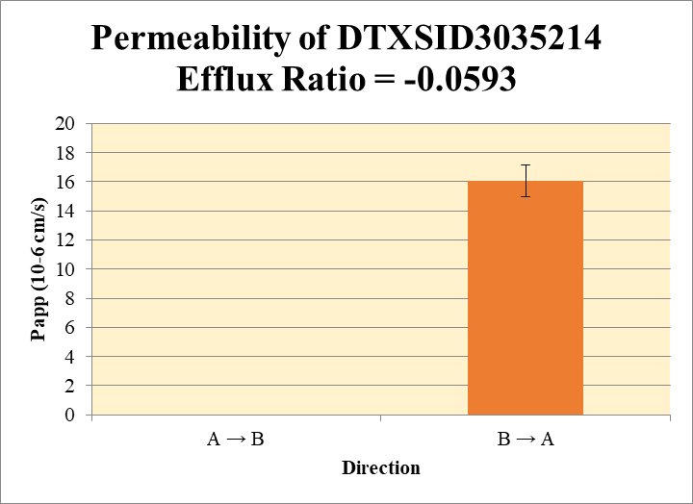
 |  |  | A to B Blank excluded from calculation
Blank_1_A_B__1_03 | DTXSID3035214 | 57 | 5096727.0529 | 724003.1502 | 0 | Donor | 0.0750 | 18.6 | 21.7 |  | 20.1 | 2.19 | A → B | 0 | 0.0
Blank_2_A_B__2_04 | DTXSID3035214 | 57 | 5367245.4427 | 767393.25747 | 0 | Receiver | 0.250 | 0.0 | 0.0 |  | 0.0 | 0.0 | B → A | 16.1 | 1.08
Blank_1_B_A__3_05 | DTXSID3035214 | 57 | 0 | 382677.23775 | 0 | Dosing | 0.0750 | 55.2 | 65.8 |  | 60.5 | 7.47
Blank_2_B_A__4_06 | DTXSID3035214 | 57 | 0 | 327471.84305 | 0 | Standard
DTXSID3035214_A_B_rec_1_29 | DTXSID3035214 | 57 | 0 | 516175.40712 | 0 | Blank |  | 0.00 | 0.00 |  | 0.00 | 0.0000
DTXSID3035214_A_B_rec_2_30 | DTXSID3035214 | 57 | 0 | 510275.36895 | 0 | dq/dt |  | 0.0 | 0.0 |  | 0.000000 | 0.0
DTXSID3035214_A_B_dos_1_141 | DTXSID3035214 | 57 | 6652726.701 | 482071.51817 | 13.800289895 | Co |  | 55.2 | 65.8 |  | 60.5 | 7.47
DTXSID3035214_A_B_dos_2_142 | DTXSID3035214 | 57 | 7957250.703 | 483980.66741 | 16.441257345 | Recovery |  | 33.7% | 33.0% |  | 33% | 0.5%
DTXSID3035214_A_B_don_1_85 | DTXSID3035214 | 57 | 2554698.1868 | 549609.51072 | 4.6482059298 | Papp |  | 0.0 | 0.0 |  | 0 | 0.0
DTXSID3035214_A_B_don_2_86 | DTXSID3035214 | 57 | 2741293.4156 | 505498.18646 | 5.4229540067
DTXSID3035214_B_A_rec_1_57 | DTXSID3035214 | 57 | 2030495.8836 | 532349.10722 | 3.8142186322 | B → A
DTXSID3035214_B_A_rec_2_58 | DTXSID3035214 | 57 | 2055712.1934 | 514921.78329 | 3.9922804979 | Donor | 0.250 | 32.1 | 32.0 |  | 32.1 | 0.0481
DTXSID3035214_B_A_dos_1_169 | DTXSID3035214 | 57 | 11409081.264 | 483844.09861 | 23.580077337 | Receiver | 0.0750 | 15.3 | 16.0 |  | 15.6 | 0.504
DTXSID3035214_B_A_dos_2_170 | DTXSID3035214 | 57 | 10327315.495 | 460221.54262 | 22.439878489 | Dosing | 0.250 | 94.3 | 89.8 |  | 92.0 | 3.22
DTXSID3035214_B_A_don_1_113 | DTXSID3035214 | 57 | 3491476.6935 | 435073.94811 | 8.0250189851 | Standard
DTXSID3035214_B_A_don_2_114 | DTXSID3035214 | 57 | 3365856.9549 | 420310.44788 | 8.0080259053 | Blank |  | 0.0 | 0.0 |  | 0.0 | 0.0
 |  |  |  | Dilution | 4.00 | dq/dt |  | 0.000159 | 0.000166 |  | 0.000163 | 5.25E-06 | Test Article | Test Conc (µM) | Parameter | Papp (10-6 cm/s) Rep-1 | Papp (10-6 cm/s) Rep-2 | Papp (10-6 cm/s) Rep-3 | Recovery
 |  |  |  | Chamber Surface Area | 0.110 | Co |  | 94.3 | 89.8 |  | 92.0 | 3.22 |  |  | A → B | 0.0 | 0.0 |  | 33%
 |  |  |  | Sampling Period (hrs) | 2.00 | Recovery |  | 38.9% | 41.0% |  | 40.0% | 1.51% | DTXSID3035214 | 10.0 | B → A | 15.3 | 16.8 |  | 40.0%
 |  |  |  | Test Concentration (µM) | 10.0 | Papp |  | 15.3 | 16.8 |  | 16.1 | 1.08 |  |  | Efflux Ratio
 |  |  |  |  |  | Efflux Ratio

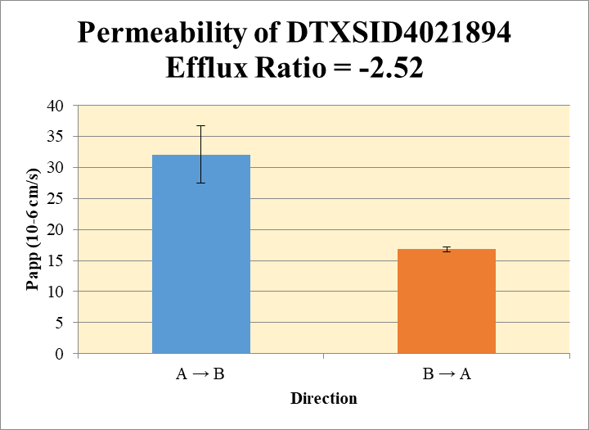
Blank_1_A_B__1_03 excluded from calculation |  |  |  |  |  | A → B
Blank_1_A_B__1_03 | DTXSID4021894 | 57 | 2077138.7238 | 724003.1502 |  | Donor | 0.0750 | 19.1 | 19.4 |  | 19.3 | 0.197 | A → B | 32.1 | 4.61
Blank_2_A_B__2_04 | DTXSID4021894 | 57 | 532205.114 | 767393.25747 | 0.69352331262 | Receiver | 0.250 | 3.88 | 5.20 |  | 4.54 | 0.933 | B → A | 16.8 | 0.405
Blank_1_B_A__3_05 | DTXSID4021894 | 57 | 0 | 382677.23775 | 0 | Dosing | 0.0750 | 42.5 | 46.4 |  | 44.4 | 2.79
Blank_2_B_A__4_06 | DTXSID4021894 | 57 | 0 | 327471.84305 | 0 | Standard
DTXSID4021894_A_B_rec_1_23 | DTXSID4021894 | 57 | 665769.87742 | 505554.06241 | 1.3169113393 | Blank |  | 0.00 | 0.694 |  | 0.35 | 0.49
DTXSID4021894_A_B_rec_2_24 | DTXSID4021894 | 57 | 538482.07816 | 326983.82617 | 1.6468156376 | dq/dt |  | 0.000135 | 0.000181 |  | 1.58E-04 | 3.24E-05
DTXSID4021894_A_B_dos_1_135 | DTXSID4021894 | 57 | 5212264.3825 | 475331.02954 | 10.965546237 | Co |  | 42.5 | 46.4 |  | 44.4 | 2.79
DTXSID4021894_A_B_dos_2_136 | DTXSID4021894 | 57 | 5677566.6879 | 475006.24111 | 11.952614927 | Recovery |  | 75.5% | 79.1% |  | 77.3% | 2.59%
DTXSID4021894_A_B_don_1_79 | DTXSID4021894 | 57 | 2580890.8679 | 503604.73551 | 5.1248343907 | Papp |  | 28.8 | 35.4 |  | 32.1 | 4.61
DTXSID4021894_A_B_don_2_80 | DTXSID4021894 | 57 | 2538548.9386 | 488690.66109 | 5.1945926959
DTXSID4021894_B_A_rec_1_51 | DTXSID4021894 | 57 | 1176439.3716 | 504161.5256 | 2.333457259 | B → A
DTXSID4021894_B_A_rec_2_52 | DTXSID4021894 | 57 | 1080355.749 | 497939.9993 | 2.169650461 | Donor | 0.250 | 29.2 | 27.0 |  | 28.1 | 1.58
DTXSID4021894_B_A_dos_1_163 | DTXSID4021894 | 57 | 6027241.2958 | 466690.67347 | 12.914852682 | Receiver | 0.0750 | 9.33 | 8.68 |  | 9.01 | 0.463
DTXSID4021894_B_A_dos_2_164 | DTXSID4021894 | 57 | 5714986.0307 | 460001.48228 | 12.423842642 | Dosing | 0.250 | 51.7 | 49.7 |  | 50.7 | 1.39
DTXSID4021894_B_A_don_1_107 | DTXSID4021894 | 57 | 3496822.0272 | 479071.89267 | 7.2991592299 | Standard
DTXSID4021894_B_A_don_2_108 | DTXSID4021894 | 57 | 3188245.5228 | 472881.98131 | 6.7421590349 | Blank |  | 0.0 | 0.0 |  | 0.0 | 0.0
 |  |  |  | Dilution | 4.00 | dq/dt |  | 9.72E-05 | 9.04E-05 |  | 9.38E-05 | 4.83E-06 | Test Article | Test Conc (µM) | Parameter | Papp (10-6 cm/s) Rep-1 | Papp (10-6 cm/s) Rep-2 | Papp (10-6 cm/s) Rep-3 | Recovery
 |  |  |  | Chamber Surface Area | 0.110 | Co |  | 51.7 | 49.7 |  | 50.7 | 1.39 |  |  | A → B | 28.8 | 35.4 |  | 77.3%
 |  |  |  | Sampling Period (hrs) | 2.00 | Recovery |  | 61.9% | 59.5% |  | 60.7% | 1.72% | DTXSID4021894 | 10.0 | B → A | 17.1 | 16.5 |  | 60.7%
 |  |  |  | Test Concentration (µM) | 10.0 | Papp |  | 17.1 | 16.5 |  | 16.8 | 0.405 |  |  | Efflux Ratio | 0.59 | 0.47
 |  |  |  |  |  | Efflux Ratio |  | 0.59 | 0.47 |  | 0.53 | 0.09

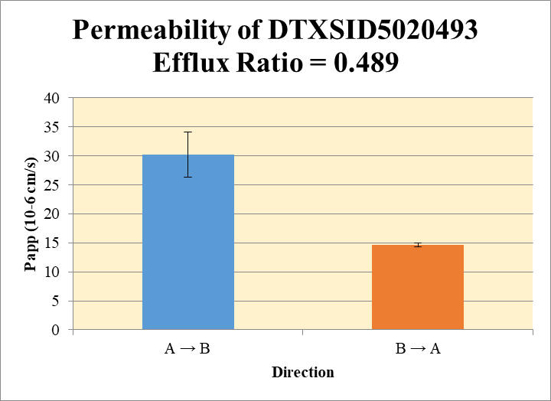
 |  |  |  |  |  | A → B
Blank_1_A_B__1_03 | DTXSID5020493 | 80 | 6454.1230524 | 724003.1502 | 0.0089144958148 | Donor | 0.0750 | 0.046 | 0.062 |  | 0.054 | 0.0112 | A → B | 30.2 | 3.87
Blank_2_A_B__2_04 | DTXSID5020493 | 80 | 31336.133651 | 767393.25747 | 0.040834517825 | Receiver | 0.250 | 0.019 | 0.016 |  | 0.018 | 0.00156 | B → A | 14.6 | 0.345
Blank_1_B_A__3_05 | DTXSID5020493 | 80 | 2753.0220084 | 382677.23775 | 0.0071941096485 | Dosing | 0.0750 | 0.178 | 0.189 |  | 0.183 | 0.00722
Blank_2_B_A__4_06 | DTXSID5020493 | 80 | 2304.3814566 | 327471.84305 | 0.0070368842558 | Standard
DTXSID5020493_A_B_rec_1_34 | DTXSID5020493 | 80 | 15598.958307 | 528290.71833 | 0.029527223867 | Blank |  | 0.00891 | 0.0408 |  | 0.0249 | 0.0226
DTXSID5020493_A_B_rec_2_33 | DTXSID5020493 | 80 | 14064.839886 | 485396.4137 | 0.028975986407 | dq/dt |  | 6.46E-07 | 5.70E-07 |  | 6.08E-07 | 5.41E-08
DTXSID5020493_A_B_dos_1_146 | DTXSID5020493 | 80 | 32168.374386 | 463169.7031 | 0.069452673979 | Co |  | 0.178 | 0.189 |  | 0.183 | 0.00722
DTXSID5020493_A_B_dos_2_145 | DTXSID5020493 | 80 | 30718.891379 | 426625.78481 | 0.072004300895 | Recovery |  | 61% | 62% |  | 61.4% | 0.836%
DTXSID5020493_A_B_don_1_90 | DTXSID5020493 | 80 | 16818.249135 | 461049.86077 | 0.036478156846 | Papp |  | 33 | 27 |  | 30.2 | 3.87
DTXSID5020493_A_B_don_2_89 | DTXSID5020493 | 80 | 18962.754017 | 469090.81908 | 0.040424483375
DTXSID5020493_B_A_rec_1_62 | DTXSID5020493 | 80 | 9228.7210792 | 483395.1352 | 0.019091464533 | B → A
DTXSID5020493_B_A_rec_2_61 | DTXSID5020493 | 80 | 9491.4741159 | 473997.52944 | 0.020024311365 | Donor | 0.250 | 0.142 | 0.161 |  | 0.152 | 0.0135
DTXSID5020493_B_A_dos_1_174 | DTXSID5020493 | 80 | 38046.22894 | 442510.25975 | 0.085978184916 | Receiver | 0.0750 | 0.0479 | 0.0516 |  | 0.0498 | 0.00264
DTXSID5020493_B_A_dos_2_173 | DTXSID5020493 | 80 | 39767.174517 | 445164.87409 | 0.089331339536 | Dosing | 0.250 | 0.315 | 0.329 |  | 0.322 | 0.00948
DTXSID5020493_B_A_don_1_118 | DTXSID5020493 | 80 | 18439.238772 | 432267.32752 | 0.042657026331 | Standard
DTXSID5020493_B_A_don_2_117 | DTXSID5020493 | 80 | 21152.763043 | 446075.0535 | 0.047419739968 | Blank |  | 0.00719 | 0.00704 |  | 0.00712 | 0.000111
 |  |  |  | Dilution | 4.00 | dq/dt |  | 4.99E-07 | 5.38E-07 |  | 5.18E-07 | 2.75E-08 | Test Article | Test Conc (µM) | Parameter | Papp (10-6 cm/s) Rep-1 | Papp (10-6 cm/s) Rep-2 | Papp (10-6 cm/s) Rep-3 | Recovery
 |  |  |  | Chamber Surface Area | 0.110 | Co |  | 0.315 | 0.329 |  | 0.322 | 0.00948 |  |  | A → B | 33 | 27 |  | 61.4%
 |  |  |  | Sampling Period (hrs) | 2.00 | Recovery |  | 49.6% | 53.7% |  | 51.7% | 2.91% | DTXSID5020493 | 10.0 | B → A | 14.4 | 14.9 |  | 51.7%
 |  |  |  | Test Concentration (µM) | 10.0 | Papp |  | 14.4 | 14.9 |  | 14.6 | 0.345 |  |  | Efflux Ratio | 0.436 | 0.541
 |  |  |  |  |  | Efflux Ratio |  | 0.436 | 0.541 |  | 0.489 | 0.0741

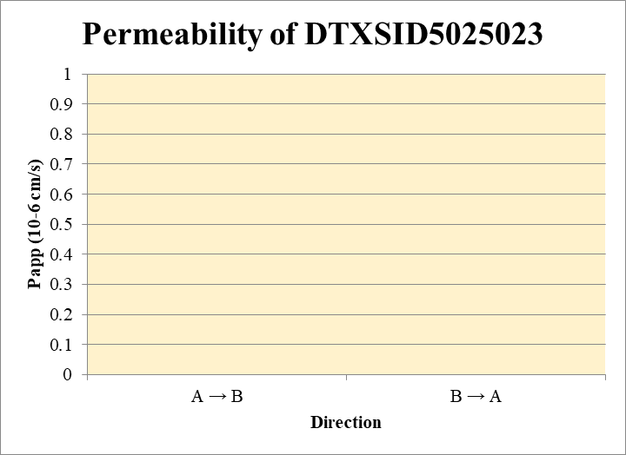
 |  |  |  |  |  | A → B
Blank_1_A_B__1_03 | DTXSID5025023 | 66 | 0 | 724003.1502 | 0 | Donor | 0.0750 | 0.0 | 0.0 |  | 0.0 | 0.0 | A → B | 0.0 | 0.0
Blank_2_A_B__2_04 | DTXSID5025023 | 66 | 0 | 767393.25747 | 0 | Receiver | 0.250 | 0.0 | 0.0 |  | 0.0 | 0.0 | B → A | 0.0 | 0.0
Blank_1_B_A__3_05 | DTXSID5025023 | 66 | 0 | 382677.23775 | 0 | Dosing | 0.0750 | 0.0177 | 0.0189 |  | 0.0183 | 0.000827
Blank_2_B_A__4_06 | DTXSID5025023 | 66 | 0 | 327471.84305 | 0 | Standard
DTXSID5025023_A_B_rec_1_21 | DTXSID5025023 | 66 | 0 | 452315.21125 | 0 | Blank |  | 0.0 | 0.0 |  | 0.0 | 0.0
DTXSID5025023_A_B_rec_2_22 | DTXSID5025023 | 66 | 0 | 470254.22953 | 0 | dq/dt |  | 0.0 | 0.0 |  | 0.0 | 0.0
DTXSID5025023_A_B_dos_1_133 | DTXSID5025023 | 66 | 2135.4720487 | 481576.09929 | 0.0044343397686 | Co |  | 0.0177 | 0.0189 |  | 0.0183 | 0.000827
DTXSID5025023_A_B_dos_2_134 | DTXSID5025023 | 66 | 1366.0893759 | 289003.43465 | 0.0047268966805 | Recovery |  | 0.0% | 0.0% |  | 0.0% | 0.0%
DTXSID5025023_A_B_don_1_77 | DTXSID5025023 | 66 | 0 | 479720.24726 | 0 | Papp |  | 0.0 | 0.0 |  | 0.0 | 0.0
DTXSID5025023_A_B_don_2_78 | DTXSID5025023 | 66 | 0 | 470544.81314 | 0
DTXSID5025023_B_A_rec_1_49 | DTXSID5025023 | 66 | 0 | 503819.05493 | 0 | B → A
DTXSID5025023_B_A_rec_2_50 | DTXSID5025023 | 66 | 0 | 502455.24313 | 0 | Donor | 0.250 | 0.0 | 0.0 |  | 0.0 | 0.0
DTXSID5025023_B_A_dos_1_161 | DTXSID5025023 | 66 | 1788.9070399 | 329674.0383 | 0.0054262903112 | Receiver | 0.0750 | 0.0 | 0.0 |  | 0.0 | 0.0
DTXSID5025023_B_A_dos_2_162 | DTXSID5025023 | 66 | 3817.2132241 | 558747.25595 | 0.0068317350708 | Dosing | 0.250 | 0.0217 | 0.0273 |  | 0.0245 | 0.00398
DTXSID5025023_B_A_don_1_105 | DTXSID5025023 | 66 | 0 | 474960.48671 | 0 | Standard
DTXSID5025023_B_A_don_2_106 | DTXSID5025023 | 66 | 0 | 454403.22043 | 0 | Blank |  | 0.0 | 0.0 |  | 0.0 | 0.0
 |  |  |  | Dilution | 4.00 | dq/dt |  | 0.0 | 0.0 |  | 0.0 | 0.0 | Test Article | Test Conc (µM) | Parameter | Papp (10-6 cm/s) Rep-1 | Papp (10-6 cm/s) Rep-2 | Papp (10-6 cm/s) Rep-3 | Recovery
 |  |  |  | Chamber Surface Area | 0.110 | Co |  | 0.0217 | 0.0273 |  | 0.0245 | 0.00398 |  |  | A → B | 0.0 | 0.0 |  | 0.0%
 |  |  |  | Sampling Period (hrs) | 2.00 | Recovery |  | 0.0% | 0.0% |  | 0.0% | 0.0% | DTXSID5025023 | 10.0 | B → A | 0.0 | 0.0 |  | 0.0%
 |  |  |  | Test Concentration (µM) | 10.0 | Papp |  | 0.0 | 0.0 |  | 0.0 | 0.0 |  |  | Efflux Ratio
 |  |  |  |  |  | Efflux Ratio

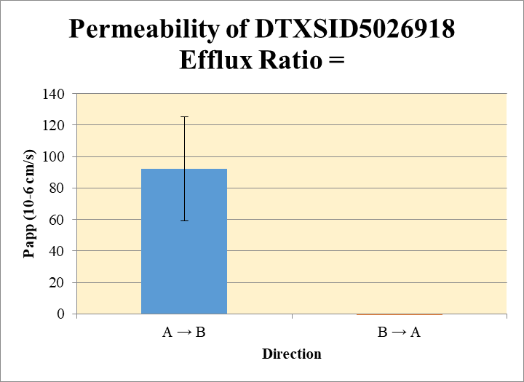
 |  |  |  |  |  | A → B
Blank_1_A_B__1_03 | DTXSID5026918 | 83 | 36767.342665 | 724003.1502 | 0.050783401501 | Donor | 0.0750 | 0.232 | 0.279 |  | 0.255 | 0.0331 | A → B | 92.2 | 33.2
Blank_2_A_B__2_04 | DTXSID5026918 | 83 | 81290.910195 | 767393.25747 | 0.10593122809 | Receiver | 0.250 | 0.297 | 0.217 |  | 0.257 | 0.0565 | B → A | -107 | 14.4
Blank_1_B_A__3_05 | DTXSID5026918 | 83 | 58138.452585 | 382677.23775 | 0.15192555723 | Dosing | 0.0750 | 0.81 | 1.00 |  | 0.90 | 0.133
Blank_2_B_A__4_06 | DTXSID5026918 | 83 | 55578.263083 | 327471.84305 | 0.16971921178 | Standard
DTXSID5026918_A_B_rec_1_09 | DTXSID5026918 | 83 | 57641.581849 | 377610.1992 | 0.15264837118 | Blank |  | 0.0508 | 0.106 |  | 0.0784 | 0.0390
DTXSID5026918_A_B_rec_2_10 | DTXSID5026918 | 83 | 67357.039615 | 507630.96116 | 0.13268899017 | dq/dt |  | 1.03E-05 | 7.55E-06 |  | 8.93E-06 | 1.96E-06
DTXSID5026918_A_B_dos_1_121 | DTXSID5026918 | 83 | 130582.62479 | 464570.86674 | 0.2810822506 | Co |  | 0.81 | 1.00 |  | 0.905 | 0.133
DTXSID5026918_A_B_dos_2_122 | DTXSID5026918 | 83 | 160505.38184 | 489323.06274 | 0.32801515821 | Recovery |  | 151% | 100% |  | 126% | 35.6%
DTXSID5026918_A_B_don_1_65 | DTXSID5026918 | 83 | 60255.901959 | 442084.17263 | 0.13629961372 | Papp |  | 116 | 69 |  | 92.2 | 33.2
DTXSID5026918_A_B_don_2_66 | DTXSID5026918 | 83 | 63050.363728 | 426031.99311 | 0.1479944341
DTXSID5026918_B_A_rec_1_37 | DTXSID5026918 | 83 | 0 | 35834.328296 | 0 | B → A
DTXSID5026918_B_A_rec_2_38 | DTXSID5026918 | 83 | 0 | 68583.712032 | 0 | Donor | 0.250 | 0.025 | 0.086 |  | 0.055 | 0.0426
DTXSID5026918_B_A_dos_1_149 | DTXSID5026918 | 83 | 129487.30038 | 446004.9779 | 0.2903270295 | Receiver | 0.0750 | -0.6 | -0.6 |  | -0.6 | 0.0
DTXSID5026918_B_A_dos_2_150 | DTXSID5026918 | 83 | 142991.52053 | 450350.81097 | 0.31751140898 | Dosing | 0.250 | 0.52 | 0.63 |  | 0.57 | 0.0769
DTXSID5026918_B_A_don_1_93 | DTXSID5026918 | 83 | 70770.268316 | 423387.89476 | 0.16715231869 | Standard
DTXSID5026918_B_A_don_2_94 | DTXSID5026918 | 83 | 81184.721692 | 445580.0252 | 0.18220009224 | Blank |  | 0.152 | 0.170 |  | 0.161 | 0.0126
 |  |  |  | Dilution | 4.00 | dq/dt |  | 0.0 | 0.0 |  | -6.70E-06 | 0.0 | Test Article | Test Conc (µM) | Parameter | Papp (10-6 cm/s) Rep-1 | Papp (10-6 cm/s) Rep-2 | Papp (10-6 cm/s) Rep-3 | Recovery
 |  |  |  | Chamber Surface Area | 0.110 | Co |  | 0.52 | 0.63 |  | 0.572 | 0.0769 |  |  | A → B | 116 | 69 |  | 126%
 |  |  |  | Sampling Period (hrs) | 2.00 | Recovery |  | -32.4% | -17.1% |  | -24.8% | 10.8% | DTXSID5026918 | 10.0 | B → A | -117.6 | -97.2 |  | -24.8%
 |  |  |  | Test Concentration (µM) | 10.0 | Papp |  | -117.6 | -97.2 |  | -107 | 14.4 |  |  | Efflux Ratio | -1.0 | -1.4
 |  |  |  |  |  | Efflux Ratio |  | -1.0 | -1.4 |  | -1.22 | 0.282

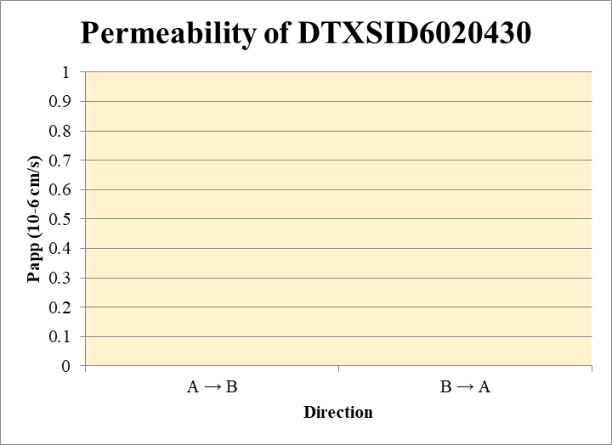
 |  |  |  |  |  | A → B
Blank_1_A_B__1_03 | DTXSID6020430 | 148 | 0 | 724003.1502 | 0 | Donor | 0.0750 | 0.0389 | 0.0451 |  | 0.0420 | 0.00438 | A → B | 0.0 | 0.0
Blank_2_A_B__2_04 | DTXSID6020430 | 148 | 0 | 767393.25747 | 0 | Receiver | 0.250 | 0.0 | 0.0 |  | 0.0 | 0.0 | B → A | 0.0 | 0.0
Blank_1_B_A__3_05 | DTXSID6020430 | 148 | 0 | 382677.23775 | 0 | Dosing | 0.0750 | 0.0278 | 0.0293 |  | 0.0286 | 0.00106
Blank_2_B_A__4_06 | DTXSID6020430 | 148 | 0 | 327471.84305 | 0 | Standard
DTXSID6020430_A_B_rec_1_11 | DTXSID6020430 | 148 | 0 | 348860.18508 | 0 | Blank |  | 0.0 | 0.0 |  | 0.0 | 0.0
DTXSID6020430_A_B_rec_2_12 | DTXSID6020430 | 148 | 0 | 483468.33694 | 0 | dq/dt |  | 0.0 | 0.0 |  | 0.0 | 0.0
DTXSID6020430_A_B_dos_1_123 | DTXSID6020430 | 148 | 3485.8450655 | 500812.21191 | 0.0069603835183 | Co |  | 0.0278 | 0.0293 |  | 0.0286 | 0.00106
DTXSID6020430_A_B_dos_2_124 | DTXSID6020430 | 148 | 3523.6111747 | 480366.28369 | 0.0073352591436 | Recovery |  | 140% | 154% |  | 147% | 9.89%
DTXSID6020430_A_B_don_1_67 | DTXSID6020430 | 148 | 5437.5543344 | 559402.35125 | 0.009720292241 | Papp |  | 0.0 | 0.0 |  | 0.0 | 0.0
DTXSID6020430_A_B_don_2_68 | DTXSID6020430 | 148 | 3739.9853781 | 331874.07742 | 0.011269290471
DTXSID6020430_B_A_rec_1_39 | DTXSID6020430 | 148 | 0 | 489575.13838 | 0 | B → A
DTXSID6020430_B_A_rec_2_40 | DTXSID6020430 | 148 | 0 | 370017.99102 | 0 | Donor | 0.250 | 0.0517 | 0.0419 |  | 0.0468 | 0.00692
DTXSID6020430_B_A_dos_1_151 | DTXSID6020430 | 148 | 2536.8691457 | 485003.5837 | 0.005230619383 | Receiver | 0.0750 | 0.0 | 0.0 |  | 0.0 | 0.0
DTXSID6020430_B_A_dos_2_152 | DTXSID6020430 | 148 | 2667.9104177 | 485130.46317 | 0.005499366913 | Dosing | 0.250 | 0.0209 | 0.0220 |  | 0.0215 | 0.000760
DTXSID6020430_B_A_don_1_95 | DTXSID6020430 | 148 | 6133.7763256 | 474293.54891 | 0.012932447299 | Standard
DTXSID6020430_B_A_don_2_96 | DTXSID6020430 | 148 | 5040.4892544 | 480684.31701 | 0.010486069705 | Blank |  | 0.0 | 0.0 |  | 0.0 | 0.0
 |  |  |  | Dilution | 4.00 | dq/dt |  | 0.0 | 0.0 |  | 0.0 | 0.0 | Test Article | Test Conc (µM) | Parameter | Papp (10-6 cm/s) Rep-1 | Papp (10-6 cm/s) Rep-2 | Papp (10-6 cm/s) Rep-3 | Recovery
 |  |  |  | Chamber Surface Area | 0.110 | Co |  | 0.0209 | 0.0220 |  | 0.0215 | 0.000760 |  |  | A → B | 0.0 | 0.0 |  | 147%
 |  |  |  | Sampling Period (hrs) | 2.00 | Recovery |  | 247% | 191% |  | 219% | 40.0% | DTXSID6020430 | 10.0 | B → A | 0.0 | 0.0 |  | 219%
 |  |  |  | Test Concentration (µM) | 10.0 | Papp |  | 0.0 | 0.0 |  | 0.0 | 0.0 |  |  | Efflux Ratio
 |  |  |  |  |  | Efflux Ratio

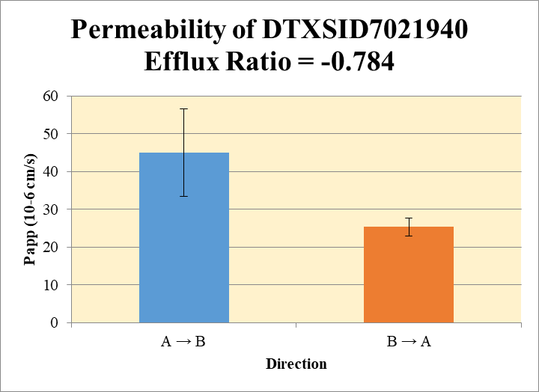
Blank_1_A_B__1_03 excluded from calculation |  |  |  |  |  | A → B
Blank_1_A_B__1_03 | DTXSID7021940 |  | 152653.17577 | 724003.1502 | 0 | Donor | 0.0750 | 1.12 | 1.06 |  | 1.09 | 0.0412 | A → B | 45.0 | 11.6
Blank_2_A_B__2_04 | DTXSID7021940 |  | 113096.52866 | 767393.25747 | 0.1473775376 | Receiver | 0.250 | 0.308 | 0.213 |  | 0.261 | 0.0677 | B → A | 25.3 | 2.40
Blank_1_B_A__3_05 | DTXSID7021940 |  | 0 | 382677.23775 | 0 | Dosing | 0.0750 | 1.83 | 1.83 |  | 1.83 | 0.00395
Blank_2_B_A__4_06 | DTXSID7021940 |  | 0 | 327471.84305 | 0 | Standard
DTXSID7021940_A_B_rec_1_25 | DTXSID7021940 |  | 77089.281983 | 511194.83168 | 0.15080215449 | Blank |  | 0.000 | 0.147 |  | 0.074 | 0.1042
DTXSID7021940_A_B_rec_2_26 | DTXSID7021940 |  | 73298.724316 | 577719.75197 | 0.12687591876 | dq/dt |  | 1.07E-05 | 7.39E-06 |  | 9.05E-06 | 2.35E-06
DTXSID7021940_A_B_dos_1_137 | DTXSID7021940 |  | 258571.50028 | 486366.73662 | 0.53163894816 | Co |  | 1.83 | 1.83 |  | 1.83 | 0.00395
DTXSID7021940_A_B_dos_2_138 | DTXSID7021940 |  | 262918.31104 | 495844.3475 | 0.53024363868 | Recovery |  | 117% | 97% |  | 107.22% | 14.4%
DTXSID7021940_A_B_don_1_81 | DTXSID7021940 |  | 183311.93035 | 517593.27639 | 0.35416211669 | Papp |  | 53.2 | 36.8 |  | 45.0 | 11.6
DTXSID7021940_A_B_don_2_82 | DTXSID7021940 |  | 170397.22271 | 501779.57551 | 0.33958580825
DTXSID7021940_B_A_rec_1_53 | DTXSID7021940 |  | 93288.40294 | 526923.13439 | 0.1770436651 | B → A
DTXSID7021940_B_A_rec_2_54 | DTXSID7021940 |  | 80970.739549 | 531276.04908 | 0.15240803663 | Donor | 0.250 | 2.34 | 2.45 |  | 2.39 | 0.0787
DTXSID7021940_B_A_dos_1_165 | DTXSID7021940 |  | 290939.90937 | 468854.45267 | 0.62053353171 | Receiver | 0.0750 | 0.708 | 0.610 |  | 0.659 | 0.0697
DTXSID7021940_B_A_dos_2_166 | DTXSID7021940 |  | 290072.65124 | 474755.7414 | 0.61099345609 | Dosing | 0.250 | 2.48 | 2.44 |  | 2.46 | 0.0270
DTXSID7021940_B_A_don_1_109 | DTXSID7021940 |  | 281676.5884 | 481908.75374 | 0.58450191289 | Standard
DTXSID7021940_B_A_don_2_110 | DTXSID7021940 |  | 277406.64364 | 453028.40964 | 0.61233829433 | Blank |  | 0.0 | 0.0 |  | 0.0 | 0.0
 |  |  |  | Dilution | 4.00 | dq/dt |  | 7.38E-06 | 6.35E-06 |  | 6.86E-06 | 7.26E-07 | Test Article | Test Conc (µM) | Parameter | Papp (10-6 cm/s) Rep-1 | Papp (10-6 cm/s) Rep-2 | Papp (10-6 cm/s) Rep-3 | Recovery
 |  |  |  | Chamber Surface Area | 0.110 | Co |  | 2.48 | 2.44 |  | 2.46 | 0.0270 |  |  | A → B | 53.2 | 36.8 |  | 107.22%
 |  |  |  | Sampling Period (hrs) | 2.00 | Recovery |  | 103% | 108% |  | 105% | 3.50% | DTXSID7021940 | 10.0 | B → A | 27.0 | 23.6 |  | 105%
 |  |  |  | Test Concentration (µM) | 10.0 | Papp |  | 27.0 | 23.6 |  | 25.3 | 2.40 |  |  | Efflux Ratio | 0.51 | 0.642
 |  |  |  |  |  | Efflux Ratio |  | 0.51 | 0.642 |  | 0.575 | 0.095

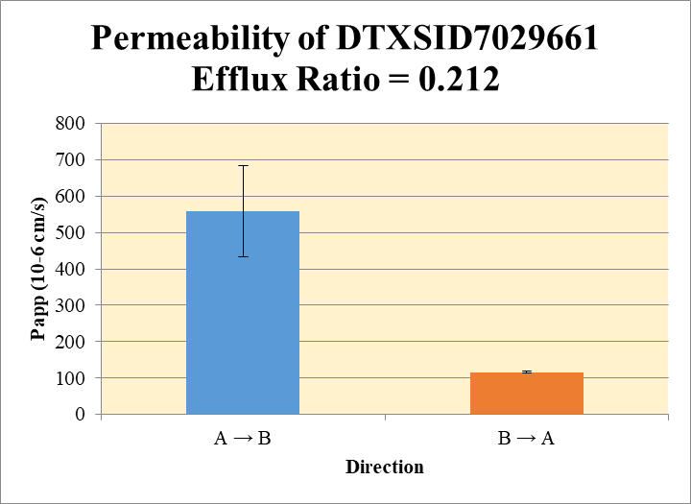
 |  |  |  |  |  | A → B
Blank_1_A_B__1_03 | DTXSID7029661 | 57 | 0 | 724003.1502 | 0 | Donor | 0.0750 | 18.7 | 18.6 |  | 18.6 | 0.0753 | A → B | 558 | 125
Blank_2_A_B__2_04 | DTXSID7029661 | 57 | 0 | 767393.25747 | 0 | Receiver | 0.250 | 24.5 | 29.6 |  | 27.0 | 3.63 | B → A | 115 | 2.76
Blank_1_B_A__3_05 | DTXSID7029661 | 57 | 0 | 382677.23775 | 0 | Dosing | 0.0750 | 16.4 | 14.4 |  | 15.4 | 1.41
Blank_2_B_A__4_06 | DTXSID7029661 | 57 | 0 | 327471.84305 | 0 | Standard
DTXSID7029661_A_B_rec_1_27 | DTXSID7029661 | 57 | 5662279.0783 | 926010.32996 | 6.1147040104 | Blank |  | 0.0 | 0.0 |  | 0.0 | 0.0
DTXSID7029661_A_B_rec_2_28 | DTXSID7029661 | 57 | 6931883.4185 | 936950.80671 | 7.3983429747 | dq/dt |  | 0.000849 | 0.00103 |  | 0.000938 | 0.000126
DTXSID7029661_A_B_dos_1_139 | DTXSID7029661 | 57 | 3809203.6523 | 926700.14005 | 4.1105029423 | Co |  | 16.4 | 14.4 |  | 15.4 | 1.41
DTXSID7029661_A_B_dos_2_140 | DTXSID7029661 | 57 | 3191402.8433 | 883802.94201 | 3.6109891602 | Recovery |  | 609% | 812% |  | 711% | 143%
DTXSID7029661_A_B_don_1_83 | DTXSID7029661 | 57 | 4210393.746 | 901559.28483 | 4.6701241026 | Papp |  | 470 | 647 |  | 558 | 125
DTXSID7029661_A_B_don_2_84 | DTXSID7029661 | 57 | 4267000.402 | 918920.50469 | 4.6434924243
DTXSID7029661_B_A_rec_1_55 | DTXSID7029661 | 57 | 4658896.6252 | 1022353.2971 | 4.5570319366 | B → A
DTXSID7029661_B_A_rec_2_56 | DTXSID7029661 | 57 | 4226587.554 | 965243.63081 | 4.378777978 | Donor | 0.250 | 18.2 | 15.2 |  | 16.7 | 2.10
DTXSID7029661_B_A_dos_1_167 | DTXSID7029661 | 57 | 3197734.2855 | 867495.54878 | 3.6861679463 | Receiver | 0.0750 | 18.2 | 17.5 |  | 17.9 | 0.504
DTXSID7029661_B_A_dos_2_168 | DTXSID7029661 | 57 | 3192492.1544 | 871264.26849 | 3.6642064525 | Dosing | 0.250 | 14.7 | 14.7 |  | 14.7 | 0.0621
DTXSID7029661_B_A_don_1_111 | DTXSID7029661 | 57 | 3672106.9568 | 808261.19681 | 4.5432181716 | Standard
DTXSID7029661_B_A_don_2_112 | DTXSID7029661 | 57 | 3301221.0344 | 868714.6622 | 3.8001212343 | Blank |  | 0.0 | 0.0 |  | 0.0 | 0.0
 |  |  |  | Dilution | 4.00 | dq/dt |  | 0.000190 | 0.000182 |  | 0.000186 | 5.25E-06 | Test Article | Test Conc (µM) | Parameter | Papp (10-6 cm/s) Rep-1 | Papp (10-6 cm/s) Rep-2 | Papp (10-6 cm/s) Rep-3 | Recovery
 |  |  |  | Chamber Surface Area | 0.110 | Co |  | 14.7 | 14.7 |  | 14.7 | 0.0621 |  |  | A → B | 470 | 647 |  | 711%
 |  |  |  | Sampling Period (hrs) | 2.00 | Recovery |  | 160% | 140% |  | 150% | 14.7% | DTXSID7029661 | 10.0 | B → A | 117 | 113 |  | 150%
 |  |  |  | Test Concentration (µM) | 10.0 | Papp |  | 117 | 113 |  | 115 | 2.76 |  |  | Efflux Ratio | 0.249 | 0.175
 |  |  |  |  |  | Efflux Ratio |  | 0.249 | 0.175 |  | 0.212 | 0.0526

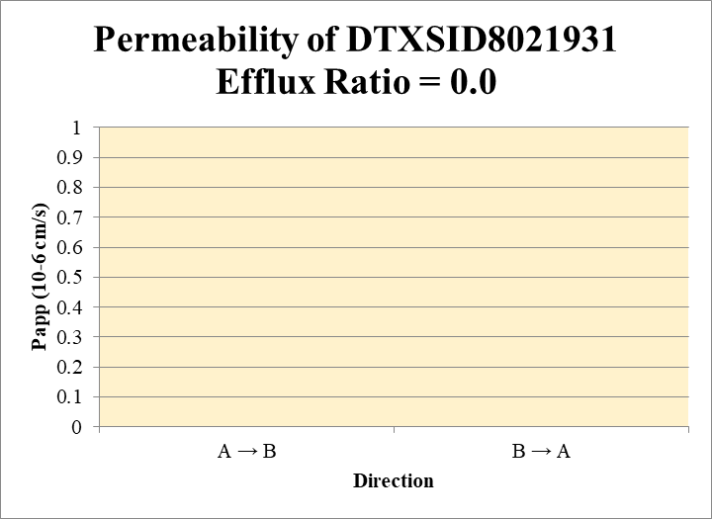
 |  |  |  |  |  | A → B
Blank_1_A_B__1_03 | DTXSID8021931 | 56 | 87489955.621 | 724003.1502 | 120.84195434 | Donor | 0.0750 | 480 | 397 |  | 438 | 59.0 | A → B | 0 | 0.0
Blank_2_A_B__2_04 | DTXSID8021931 | 56 | 105534754.65 | 767393.25747 | 137.52369287 | Receiver | 0.250 | 0.0 | 0.0 |  | 0.0 | 0.0 | B → A | 0.0 | 0.0
Blank_1_B_A__3_05 | DTXSID8021931 | 56 | 0 | 382677.23775 | 0 | Dosing | 0.0750 | 285 | 257 |  | 271 | 19.7
Blank_2_B_A__4_06 | DTXSID8021931 | 56 | 0 | 327471.84305 | 0 | Standard
DTXSID8021931_A_B_rec_1_07 | DTXSID8021931 | 56 | 0 | 480380.77427 | 0 | Blank |  | 121 | 138 |  | 129 | 11.8
DTXSID8021931_A_B_rec_2_08 | DTXSID8021931 | 56 | 0 | 540641.26059 | 0 | dq/dt |  | 0.0 | 0.0 |  | 0.0000 | 0.0
DTXSID8021931_A_B_dos_1_119 | DTXSID8021931 | 56 | 97615304.514 | 487294.20161 | 200.32108774 | Co |  | 285 | 257 |  | 271 | 19.7
DTXSID8021931_A_B_dos_2_120 | DTXSID8021931 | 56 | 100742434.55 | 521026.99905 | 193.35357809 | Recovery |  | 169% | 155% |  | 162% | 10.1%
DTXSID8021931_A_B_don_1_63 | DTXSID8021931 | 56 | 110336068.43 | 442748.35892 | 249.20717651 | Papp |  | 0.0 | 0.0 |  | 0 | 0.0
DTXSID8021931_A_B_don_2_64 | DTXSID8021931 | 56 | 109886585.13 | 481261.02419 | 228.33053085
DTXSID8021931_B_A_rec_1_35 | DTXSID8021931 | 56 | 0 | 62758.39838 | 0 | B → A
DTXSID8021931_B_A_rec_2_36 | DTXSID8021931 | 56 | 0 | 55582.420259 | 0 | Donor | 0.250 | 1077 | 1157 |  | 1117 | 56.9
DTXSID8021931_B_A_dos_1_147 | DTXSID8021931 | 56 | 94848043.99 | 450323.81216 | 210.62187126 | Receiver | 0.0750 | 0.0 | 0.0 |  | 0.0 | 0.0
DTXSID8021931_B_A_dos_2_148 | DTXSID8021931 | 56 | 95075920.168 | 445070.19559 | 213.62005614 | Dosing | 0.250 | 842 | 854 |  | 848 | 8.48
DTXSID8021931_B_A_don_1_91 | DTXSID8021931 | 56 | 120026518.92 | 445826.97167 | 269.22220176 | Standard
DTXSID8021931_B_A_don_2_92 | DTXSID8021931 | 56 | 124087509.22 | 428861.09603 | 289.34195795 | Blank |  | 0.0 | 0.0 |  | 0.0 | 0.0
 |  |  |  | Dilution | 4.00 | dq/dt |  | 0.0 | 0.0 |  | 0.0 | 0.0 | Test Article | Test Conc (µM) | Parameter | Papp (10-6 cm/s) Rep-1 | Papp (10-6 cm/s) Rep-2 | Papp (10-6 cm/s) Rep-3 | Recovery
 |  |  |  | Chamber Surface Area | 0.110 | Co |  | 842 | 854 |  | 848 | 8.48 |  |  | A → B | 0.0 | 0.0 |  | 162%
 |  |  |  | Sampling Period (hrs) | 2.00 | Recovery |  | 128% | 135% |  | 132% | 5.39% | DTXSID8021931 | 10.0 | B → A | 0.0 | 0.0 |  | 132%
 |  |  |  | Test Concentration (µM) | 10.0 | Papp |  | 0.0 | 0.0 |  | 0.0 | 0.0 |  |  | Efflux Ratio
 |  |  |  |  |  | Efflux Ratio

Control Data
Permeability of Ranitidine Efflux Ratio = 0.969
SampleName | CompoundName | Transition | Area | ISTD Area | ISTDResponseRatio | A → B | Volume | RR1 | RR2 | RR3 | RR Mean | RR SD
Blank 1_A_B__1______Inj EPA_Caco2_2021Apr21_Inj003 | Ranitidine | 315.216 > 175.737 | 0.869 | 123843.094 | 7.0169435528E-06 | Donor | 0.0750 | 4.50 | 4.44 |  | 4.47 | 0.0435 | A → B | 1.18 | 0.0352
Blank 1_A_B__2______Inj EPA_Caco2_2021Apr21_Inj004 | Ranitidine | 315.216 > 175.737 | 0.613 | 121157.031 | 5.0595495362E-06 | Receiver | 0.250 | 0.0190 | 0.0200 |  | 0.0195 | 0.000729 | B → A | 1.14 | 0.0575
Blank 1_B_A__3______Inj EPA_Caco2_2021Apr21_Inj005 | Ranitidine | 315.216 > 175.737 | 0.031 | 125768.352 | 2.4648490266E-07 | Dosing | 0.0750 | 5.20 | 5.25 |  | 5.23 | 0.0390
Blank 1_B_A__4______Inj EPA_Caco2_2021Apr21_Inj006 | Ranitidine | 315.216 > 175.737 | 0.074 | 139708.469 | 5.2967440363E-07 | Standard
Ranitidine_A_B_rec_1______Inj EPA_Caco2_2021Apr21_Inj009 | Ranitidine | 315.216 > 175.737 | 663.114 | 139325.188 | 0.004759469623 | Blank |  | 7.02E-06 | 5.06E-06 |  | 6.04E-06 | 1.38E-06
Ranitidine_A_B_rec_2______Inj EPA_Caco2_2021Apr21_Inj010 | Ranitidine | 315.216 > 175.737 | 657.819 | 131112.203 | 0.0050172217761 | dq/dt |  | 6.60E-07 | 6.96E-07 |  | 6.78E-07 | 2.53E-08
Ranitidine_A_B_dos_1______Inj EPA_Caco2_2021Apr21_Inj153 | Ranitidine | 315.216 > 175.737 | 157236.172 | 120992.859 | 1.2995491908 | Co |  | 5.20 | 5.25 |  | 5.23 | 0.0390
Ranitidine_A_B_dos_2______Inj EPA_Caco2_2021Apr21_Inj154 | Ranitidine | 315.216 > 175.737 | 158274.234 | 120511.852 | 1.3133499434 | Recovery |  | 87.8% | 85.7% |  | 86.7% | 1.43%
Ranitidine_A_B_don_1______Inj EPA_Caco2_2021Apr21_Inj081 | Ranitidine | 315.216 > 175.737 | 147901.969 | 131513.781 | 1.1246119447 | Papp |  | 1.15 | 1.20 |  | 1.18 | 0.0352
Ranitidine_A_B_don_2______Inj EPA_Caco2_2021Apr21_Inj082 | Ranitidine | 315.216 > 175.737 | 140337.109 | 126518.484 | 1.1092221829
Ranitidine_B_A_rec_1______Inj EPA_Caco2_2021Apr21_Inj045 | Ranitidine | 315.216 > 175.737 | 2440.247 | 131643.484 | 0.018536785307 | B → A
Ranitidine_B_A_rec_2______Inj EPA_Caco2_2021Apr21_Inj046 | Ranitidine | 315.216 > 175.737 | 2712.187 | 139967.078 | 0.019377321001 | Donor | 0.250 | 6.07 | 5.89 |  | 5.98 | 0.128
Ranitidine_B_A_dos_1______Inj EPA_Caco2_2021Apr21_Inj189 | Ranitidine | 315.216 > 175.737 | 173859.75 | 109213.336 | 1.5919278393 | Receiver | 0.0750 | 0.0741 | 0.0775 |  | 0.0758 | 0.00238
Ranitidine_B_A_dos_2______Inj EPA_Caco2_2021Apr21_Inj190 | Ranitidine | 315.216 > 175.737 | 171071.516 | 110386.523 | 1.5497500179 | Dosing | 0.250 | 6.37 | 6.20 |  | 6.28 | 0.119
Ranitidine_B_A_don_1______Inj EPA_Caco2_2021Apr21_Inj117 | Ranitidine | 315.216 > 175.737 | 160323.156 | 105657.453 | 1.5173861516 | Standard
Ranitidine_B_A_don_2______Inj EPA_Caco2_2021Apr21_Inj118 | Ranitidine | 315.216 > 175.737 | 165146.344 | 112169.68 | 1.4722904086 | Blank |  | 2.46E-07 | 5.30E-07 |  | 3.88E-07 | 2.00E-07
 |  |  |  | Dilution | 4.00 | dq/dt |  | 7.72E-07 | 8.07E-07 |  | 7.90E-07 | 2.48E-08 | Test Article | Test Conc (µM) | Parameter | Papp (10-6 cm/s) Rep-1 | Papp (10-6 cm/s) Rep-2 | Papp (10-6 cm/s) Rep-3 | Recovery
 |  |  |  | Chamber Surface Area | 0.110 | Co |  | 6.37 | 6.20 |  | 6.28 | 0.119 |  |  | A → B | 1.15 | 1.20 |  | 86.7%
 |  |  |  | Sampling Period (hrs) | 2.00 | Recovery |  | 95.7% | 95.4% |  | 95.5% | 0.205% | Ranitidine | 10.0 | B → A | 1.10 | 1.18 |  | 95.5%
 |  |  |  | Test Concentration (µM) | 10.0 | Papp |  | 1.10 | 1.18 |  | 1.14 | 0.0575 |  |  | Efflux Ratio | 0.955 | 0.983
 |  |  |  |  |  | Efflux Ratio |  | 0.955 | 0.983 |  | 0.969 | 0.0198

Permeability of Talinolol Efflux Ratio = 23.3
 |  |  |  |  |  | A → B
Blank 1_A_B__1______Inj EPA_Caco2_2021Apr21_Inj003 | Talinolol | 364.365 > 209.165 | 3.98 | 123843.094 | 3.2137439977E-05 | Donor | 0.0750 | 1.52 | 1.32 |  | 1.42 | 0.144 | A → B | 0.220 | 0.143
Blank 1_A_B__2______Inj EPA_Caco2_2021Apr21_Inj004 | Talinolol | 364.365 > 209.165 | 0.143 | 121157.031 | 1.1802864334E-06 | Receiver | 0.250 | 0.000818 | 0.00209 |  | 0.00146 | 0.000902 | B → A | 4.25 | 0.609
Blank 1_B_A__3______Inj EPA_Caco2_2021Apr21_Inj005 | Talinolol | 364.365 > 209.165 | 0.064 | 125768.352 | 5.088720571E-07 | Dosing | 0.0750 | 2.17 | 2.05 |  | 2.11 | 0.0787
Blank 1_B_A__4______Inj EPA_Caco2_2021Apr21_Inj006 | Talinolol | 364.365 > 209.165 | 0.349 | 139708.469 | 2.4980590117E-06 | Standard
Talinolol_A_B_rec_1______Inj EPA_Caco2_2021Apr21_Inj007 | Talinolol | 364.365 > 209.165 | 37.17 | 168095.438 | 0.00022112438292 | Blank |  | 3.21E-05 | 1.18E-06 |  | 1.67E-05 | 2.19E-05
Talinolol_A_B_rec_2______Inj EPA_Caco2_2021Apr21_Inj008 | Talinolol | 364.365 > 209.165 | 74.399 | 137793.75 | 0.00053993014923 | dq/dt |  | 2.84E-08 | 7.27E-08 |  | 5.05E-08 | 3.13E-08
Talinolol_A_B_dos_1______Inj EPA_Caco2_2021Apr21_Inj151 | Talinolol | 364.365 > 209.165 | 59693.188 | 110245.555 | 0.54145664195 | Co |  | 2.17 | 2.05 |  | 2.11 | 0.0787
Talinolol_A_B_dos_2______Inj EPA_Caco2_2021Apr21_Inj152 | Talinolol | 364.365 > 209.165 | 59333.957 | 115516.453 | 0.51364074518 | Recovery |  | 70.3% | 64.5% |  | 67.4% | 4.15%
Talinolol_A_B_don_1______Inj EPA_Caco2_2021Apr21_Inj079_Reinjected | Talinolol | 364.365 > 209.165 | 43278.23 | 113834.969 | 0.38018396614 | Papp |  | 0.119 | 0.322 |  | 0.220 | 0.143
Talinolol_A_B_don_2______Inj EPA_Caco2_2021Apr21_Inj080 | Talinolol | 364.365 > 209.165 | 42372.836 | 128641.305 | 0.32938748561
Talinolol_B_A_rec_1______Inj EPA_Caco2_2021Apr21_Inj043 | Talinolol | 364.365 > 209.165 | 3045.723 | 145734.438 | 0.020899130239 | B → A
Talinolol_B_A_rec_2______Inj EPA_Caco2_2021Apr21_Inj044 | Talinolol | 364.365 > 209.165 | 3786.429 | 147845.656 | 0.025610688217 | Donor | 0.250 | 1.60 | 1.75 |  | 1.67 | 0.111
Talinolol_B_A_dos_1______Inj EPA_Caco2_2021Apr21_Inj187 | Talinolol | 364.365 > 209.165 | 58928.719 | 113709.883 | 0.51823744291 | Receiver | 0.0750 | 0.0836 | 0.102 |  | 0.0930 | 0.0133
Talinolol_B_A_dos_2______Inj EPA_Caco2_2021Apr21_Inj188 | Talinolol | 364.365 > 209.165 | 58928.719 | 113709.883 | 0.51823744291 | Dosing | 0.250 | 2.07 | 2.07 |  | 2.07 | 0.0
Talinolol_B_A_don_1______Inj EPA_Caco2_2021Apr21_Inj115_Reinjected | Talinolol | 364.365 > 209.165 | 44632.949 | 111917.586 | 0.39880192734 | Standard
Talinolol_B_A_don_2______Inj EPA_Caco2_2021Apr21_Inj116 | Talinolol | 364.365 > 209.165 | 48150.516 | 109919.727 | 0.43805163381 | Blank |  | 5.09E-07 | 2.50E-06 |  | 1.50E-06 | 1.41E-06
 |  |  |  | Dilution | 4.00 | dq/dt |  | 8.71E-07 | 1.07E-06 |  | 9.69E-07 | 1.39E-07 | Test Article | Test Conc (µM) | Parameter | Papp (10-6 cm/s) Rep-1 | Papp (10-6 cm/s) Rep-2 | Papp (10-6 cm/s) Rep-3 | Recovery
 |  |  |  | Chamber Surface Area | 0.110 | Co |  | 2.07 | 2.07 |  | 2.07 | 0.0 |  |  | A → B | 0.119 | 0.322 |  | 67.4%
 |  |  |  | Sampling Period (hrs) | 2.00 | Recovery |  | 78.2% | 86.0% |  | 82.1% | 5.55% | Talinolol | 10.0 | B → A | 3.82 | 4.68 |  | 82.1%
 |  |  |  | Test Concentration (µM) | 10.0 | Papp |  | 3.82 | 4.68 |  | 4.25 | 0.609 |  |  | Efflux Ratio | 32.0 | 14.6
 |  |  |  |  |  | Efflux Ratio |  | 32.0 | 14.6 |  | 23.3 | 12.4

Permeability of Warfarin Efflux Ratio = 0.555
 |  |  |  |  |  | A → B
Blank 1_A_B__1______Inj EPA_Caco2_2021Apr21_Inj003 | Warfarin | 309.225 > 251.114 | 3.104 | 123843.094 | 2.5063973289E-05 | Donor | 0.0750 | 1.32 | 1.59 |  | 1.45 | 0.194 | A → B | 34.8 | 2.16
Blank 1_A_B__2______Inj EPA_Caco2_2021Apr21_Inj004 | Warfarin | 309.225 > 251.114 | 2.306 | 121157.031 | 1.9033150457E-05 | Receiver | 0.250 | 0.306 | 0.276 |  | 0.291 | 0.0214 | B → A | 19.2 | 2.25
Blank 1_B_A__3______Inj EPA_Caco2_2021Apr21_Inj005 | Warfarin | 309.225 > 251.114 | 5.642 | 125768.352 | 4.4860252283E-05 | Dosing | 0.0750 | 2.66 | 2.62 |  | 2.64 | 0.0309
Blank 1_B_A__4______Inj EPA_Caco2_2021Apr21_Inj006 | Warfarin | 309.225 > 251.114 | 3.053 | 139708.469 | 2.1852648031E-05 | Standard
Warfarin_A_B_rec_1______Inj EPA_Caco2_2021Apr21_Inj013 | Warfarin | 309.225 > 251.114 | 10690.722 | 139534.875 | 0.076616845789 | Blank |  | 2.51E-05 | 1.90E-05 |  | 2.20E-05 | 4.26E-06
Warfarin_A_B_rec_2______Inj EPA_Caco2_2021Apr21_Inj014 | Warfarin | 309.225 > 251.114 | 9465.909 | 137118.266 | 0.069034631754 | dq/dt |  | 1.06E-05 | 9.59E-06 |  | 1.01E-05 | 7.45E-07
Warfarin_A_B_dos_1______Inj EPA_Caco2_2021Apr21_Inj157 | Warfarin | 309.225 > 251.114 | 82257.055 | 123666.547 | 0.66515203178 | Co |  | 2.66 | 2.62 |  | 2.64 | 0.0309
Warfarin_A_B_dos_2______Inj EPA_Caco2_2021Apr21_Inj158 | Warfarin | 309.225 > 251.114 | 81304.516 | 124278.797 | 0.65421067763 | Recovery |  | 87.8% | 95.9% |  | 91.9% | 5.70%
Warfarin_A_B_don_1______Inj EPA_Caco2_2021Apr21_Inj085 | Warfarin | 309.225 > 251.114 | 40888.449 | 124328.148 | 0.32887523588 | Papp |  | 36.4 | 33.3 |  | 34.8 | 2.16
Warfarin_A_B_don_2______Inj EPA_Caco2_2021Apr21_Inj086 | Warfarin | 309.225 > 251.114 | 39959.57 | 100574.031 | 0.3973149888
Warfarin_B_A_rec_1______Inj EPA_Caco2_2021Apr21_Inj049 | Warfarin | 309.225 > 251.114 | 16184.394 | 122306.234 | 0.13232681173 | B → A
Warfarin_B_A_rec_2______Inj EPA_Caco2_2021Apr21_Inj050 | Warfarin | 309.225 > 251.114 | 19841.375 | 132744.375 | 0.14947055195 | Donor | 0.250 | 2.35 | 2.01 |  | 2.18 | 0.239
Warfarin_B_A_dos_1______Inj EPA_Caco2_2021Apr21_Inj193 | Warfarin | 309.225 > 251.114 | 79118.953 | 111303.68 | 0.71083860839 | Receiver | 0.0750 | 0.529 | 0.598 |  | 0.563 | 0.0485
Warfarin_B_A_dos_2______Inj EPA_Caco2_2021Apr21_Inj194 | Warfarin | 309.225 > 251.114 | 82186.578 | 120824.758 | 0.680213057 | Dosing | 0.250 | 2.84 | 2.72 |  | 2.78 | 0.0866
Warfarin_B_A_don_1______Inj EPA_Caco2_2021Apr21_Inj121 | Warfarin | 309.225 > 251.114 | 60181.238 | 102321.875 | 0.58815612986 | Standard
Warfarin_B_A_don_2______Inj EPA_Caco2_2021Apr21_Inj122 | Warfarin | 309.225 > 251.114 | 57863.773 | 114895.117 | 0.50362256039 | Blank |  | 4.49E-05 | 2.19E-05 |  | 3.34E-05 | 1.63E-05
 |  |  |  | Dilution | 4.00 | dq/dt |  | 5.51E-06 | 6.23E-06 |  | 5.87E-06 | 5.05E-07 | Test Article | Test Conc (µM) | Parameter | Papp (10-6 cm/s) Rep-1 | Papp (10-6 cm/s) Rep-2 | Papp (10-6 cm/s) Rep-3 | Recovery
 |  |  |  | Chamber Surface Area | 0.110 | Co |  | 2.84 | 2.72 |  | 2.78 | 0.0866 |  |  | A → B | 36.4 | 33.3 |  | 91.9%
 |  |  |  | Sampling Period (hrs) | 2.00 | Recovery |  | 88.3% | 80.6% |  | 84.5% | 5.44% | Warfarin | 10.0 | B → A | 17.6 | 20.8 |  | 84.5%
 |  |  |  | Test Concentration (µM) | 10.0 | Papp |  | 17.6 | 20.8 |  | 19.2 | 2.25 |  |  | Efflux Ratio | 0.485 | 0.625
 |  |  |  |  |  | Efflux Ratio |  | 0.485 | 0.625 |  | 0.555 | 0.0989

